Dashboard
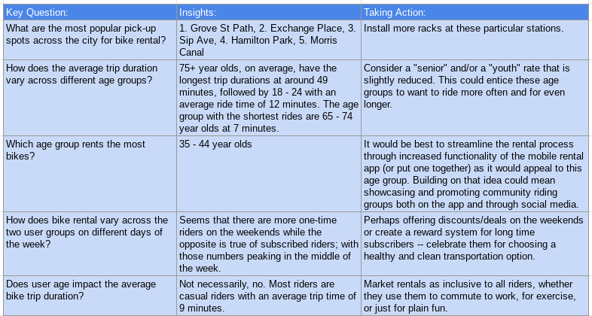
Dashboard of Bike Rentals

Top 20 Pickup Locations
Average Trip Duration vs. Age Group
Number of Rentals by Age Group

Trip Duration vs Age
One-Time User vs Subscribers by Weekday

User Type by Weekday
Weekday | One-time user | Subscriber
Friday | 26 | 2422
Monday | 52 | 2474
Saturday | 93 | 1497
Sunday | 64 | 1501
Thursday | 19 | 2934
Tuesday | 24 | 2436
Wednesday | 39 | 3262
One-Time User vs Subscribers by Weekday

 |  |  | Key Question: | Insights: | Taking Action:
 |  |  | What are the most popular pick-up spots across the city for bike rental? | 1. Grove St Path, 2. Exchange Place, 3. Sip Ave, 4. Hamilton Park, 5. Morris Canal | Install more racks at these particular stations.
 |  |  | How does the average trip duration vary across different age groups? | 75+ year olds, on average, have the longest trip durations at around 49 minutes, followed by 18 - 24 with an average ride time of 12 minutes. The age group with the shortest rides are 65 - 74 year olds at 7 minutes. | Consider a "senior" and/or a "youth" rate that is slightly reduced. This could entice these age groups to want to ride more often and for even longer.
 |  |  | Which age group rents the most bikes? | 35 - 44 year olds | It would be best to streamline the rental process through increased functionality of the mobile rental app (or put one together) as it would appeal to this age group. Building on that idea could mean showcasing and promoting community riding groups both on the app and through social media.
 |  |  | How does bike rental vary across the two user groups on different days of the week? | Seems that there are more one-time riders on the weekends while the opposite is true of subscribed riders; with those numbers peaking in the middle of the week. | Perhaps offering discounts/deals on the weekends or create a reward system for long time subscribers -- celebrate them for choosing a healthy and clean transportation option.
 |  |  | Does user age impact the average bike trip duration? | Not necessarily, no. Most riders are casual riders with an average trip time of 9 minutes. | Market rentals as inclusive to all riders, whether they use them to commute to work, for exercise, or just for plain fun.

Bike Rental Age Group
Age Group | Count of Bike ID
18-24 | 54
25-34 | 4002
35-44 | 7697
45-54 | 2973
55-64 | 1447
65-74 | 615
Number of Rentals by Age Group
75+ | 55

Trip Duration Age Group
Age Group | Average Trip Duration
18-24 | 12
25-34 | 9
35-44 | 9
45-54 | 8
55-64 | 9
65-74 | 7
Average Trip Duration vs. Age Group
75+ | 49

Top 20 Pickup Locations
Start Station Name | Count
Grove St PATH | 2115
Exchange Place | 1224
Sip Ave | 1084
Hamilton Park | 1069
Morris Canal | 710
Newport PATH | 651
Top 20 Pickup Locations
City Hall | 576
Van Vorst Park | 530
Newark Ave | 510
Warren St | 481
Brunswick St | 472
Dixon Mills | 470
Jersey & 6th St | 462
Jersey & 3rd | 455
Marin Light Rail | 452
Paulus Hook | 431
Brunswick & 6th | 394
Monmouth and 6th | 388
Essex Light Rail | 383
McGinley Square | 381
Newport Pkwy | 342
Oakland Ave | 331
Columbus Drive | 329
Liberty Light Rail | 303
Manila & 1st | 229
JC Medical Center | 222
Baldwin at Montgomery | 197
Pershing Field | 163
5 Corners Library | 146
Astor Place | 134
Christ Hospital | 122
Hilltop | 122
Lincoln Park | 119
Lafayette Park | 116
Central Ave | 114
Heights Elevator | 91
Riverview Park | 77
North St | 74
Dey St | 68
Garfield Ave Station | 66
Leonard Gordon Park | 44
NJCU | 43
Communipaw & Berry Lane | 42
West Side Light Rail | 31
Columbia Park | 25
Union St | 24
Danforth Light Rail | 15
MLK Light Rail | 11
Bayside Park | 3
Bethune Center | 2

